JOB CARD
JOB CARD
 |  |  | Factory: |  |  |  |  |  |  | Registered Ofice: |  |  |  |  | 
 |  |  | SHITAL VACUUM TREAT PVT LTD. |  |  |  |  |  |  | SHITAL VACUUM TREAT PVT LTD.
 |  |  | Plot No.84/1, Sector No.10 |  |  |  |  |  |  | Plot No.84/1, Sector No.10
 |  |  | PCNTDA, Bhosari, |  |  |  |  |  |  | PCNTDA, Bhosari
 |  |  | Pune |  |  |  |  |  |  | Pune
 |  |  | info@shitalgroup.com |  |  |  |  |  |  | info@shitalgroup.com

CP NO-SVT/047/2022-23
Customer's: |  |  |  |  |  |  |  |  |  |  |  | Certificate No. | :
KLAUS MACHINE TOOLS AND PRECISION COMPONENTS PVT.LTD |  |  |  |  |  |  |  |  |  |  |  | Job Card No. | : | 26040000
SHED NO.2A GATE NO.1197, KLAUS UNION INDIA PVT.LTD., GHOTAWADE PHATA, |  |  |  |  |  |  |  |  |  |  |  | Your PO No. | :
ARYAWART SOCITY ROAD ,PIRANGUT , TALUKA -,MULSHI ,PUNE-412108 |  |  |  |  |  |  |  |  |  |  |  | Your DC No. | : | 26100303/31.03.2026
(MAHARASHTRA ) INDIA |  |  |  |  |  |  |  |  |  |  |  | Issue Date | : | 01.04.2026
 |  |  |  |  |  |  |  |  |  |  |  | Issue By | : | AVINASH
DISPATCH MODE:-
Material |  | Heat Treatment Specification |  |  |  |  |  |  |  |  |  | Special Instruction

D2 |  | HARDEN AND TEMPER |  |  |  | 61-63 HRC

Item | Description |  |  |  |  |  |  |  |  | Quantity (Pcs) |  | Weight (Kg) | Remarks
 | THREADROLL
1 | RL000930LH_CTF_1.125"X5ACME-2G-LH_200_80_80(LH)BATCH CODE-DHF |  |  |  |  |  |  |  |  | 1 |  | 99.50
2 | RL000930RH_CTF_1.125"X5ACME-2G-LH_200_80_80(RH)BATCH CODE-DHF |  |  |  |  |  |  |  |  | 1
3 | RL000933LH_CTF_1.500"4ACME-2G-LH_200_80_80(LH)BATCH CODE-DHF |  |  |  |  |  |  |  |  | 1
4 | RL000933RH_CTF_1.500"X4ACME-2G-LH_200_80_80(RH)BATCH CODE-DHF |  |  |  |  |  |  |  |  | 1 |  |  | Delivary Date
5 | RL000935LH_CTF_TR28X5-7E-LH_200_80_80(LH)BATCH CODE-DHF |  |  |  |  |  |  |  |  | 1 |  |  | 05.04.2026
6 | RL000935RH_CTF_TR28X5-7ELH_200_80_80(RH) BATCH CODE-DHF |  |  |  |  |  |  |  |  | 1
 |  |  |  |  |  |  |  |  |  |  |  |  | Special Requirements

 |  |  |  |  |  |  |  |  |  |  |  |  | Precautions During Production & Final Inspection
Total |  |  |  |  |  |  |  |  |  | 6 |  | 99.50

QF-PD-01 Effective Date : 01-04-2019 Revision: 01 Revision Date : 00 Page 1 of 2
INCOMING INSPECTION
Categorization |  |  | Process |  |  |  |  |  |  |  |  |  | INCOMING INSPECTION BY:
 |  |  |  |  |  |  | VISUAL INSPECTION |  |  |  | REQUIRE HARDNESS
 |  |  |  |  |  |  |  |  |  |  | 61-63 HRC

 |  |  |  |  |  |  | MPI INSPECTION |  |  |  | ACHIVED HARDNESS

HEAT TREATMENT PROCESS |  |  |  |  | CYCLE NO:
EQIPMENT | PROCESS |  |  |  | TEMP/TIME |  | START TIME |  |  | END TIME |  | DATE | LOADING BY |  | RESULT | SIGN
 | SR-
 | HARDENING
 | 1 ST TEMP
 | 2 ND TEMP
 | 3 RD TEMP

DISTORTION |  |  |  |  |  |  |  |  | HARDNESS AFTER | 1 |  | PACKED QUANTITY
ITEM | 1 | 2 | 3 | 4 | 5 | 6 | 7 | 8 |  | 2
BEFORE | NA |  |  |  |  |  |  |  |  | 3 |  | PACKED BY
AFTER: |  |  |  |  |  |  |  |  |  | 4
JOB IMAGE
JOB IMAGE
JOB IMAGE
JOB IMAGE
JOB IMAGE
JOB IMAGE
1
2
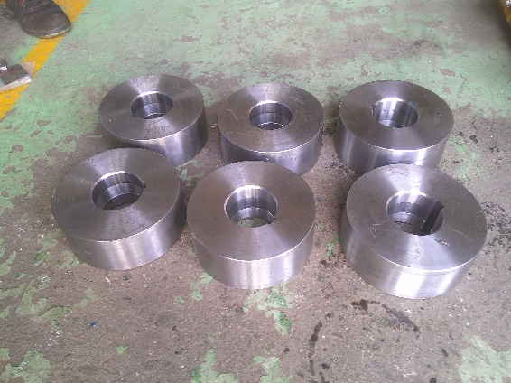 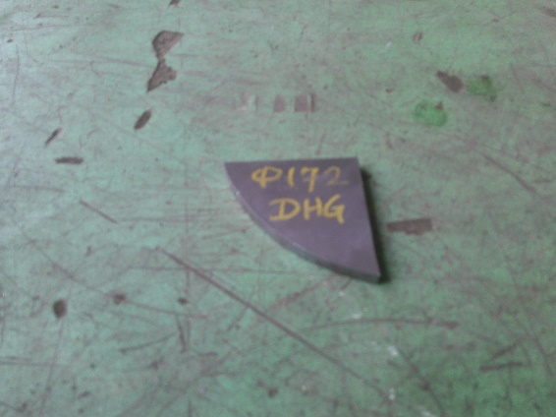

QF-PD-01 Effective Date : 01/04/2019 Revision: 00 Revision Date : 00 Page 1 of 2
Color Code for Job Crd - WHITE -- Regular, RED -- Rework, BLUE -- New Development, YELLOW -- Stress Relieving & Other Process.

Certificate
JOB CARD
 |  |  | Factory: |  |  |  |  |  |  | Registered Ofice:
 |  |  | SHITAL VACUUM TREAT PVT LTD. |  |  |  |  |  |  | SHITAL VACUUM TREAT PVT LTD.
 |  |  | Plot No.84/1, Sector No.10 |  |  |  |  |  |  | Plot No.84/1, Sector No.10
 |  |  | PCNTDA, Bhosari, |  |  |  |  |  |  | PCNTDA, Bhosari
 |  |  | Pune |  |  |  |  |  |  | Pune
 |  |  | info@shitalgroup.com |  |  |  |  |  |  | info@shitalgroup.com

Customer's: |  |  |  |  |  |  |  |  |  |  |  | Certificate No. | :
 |  |  |  |  |  |  |  |  |  |  |  | Job Card No. | :
 |  |  |  |  |  |  |  |  |  |  |  | Your PO No. | :
 |  |  |  |  |  |  |  |  |  |  |  | Your DC No. | :
 |  |  |  |  |  |  |  |  |  |  |  | Issue Date | :
 |  |  |  |  |  |  |  |  |  |  |  | Issue By | :
DISPATCH MODE:-
Material |  | Heat Treatment Specification |  |  |  |  |  |  |  |  |  | Special Instruction

 |  | HARDEN AND TEMPER

Item | Description |  |  |  |  |  |  |  |  | Quantity (Pcs) |  | Weight (Kg) | Remarks

 |  |  |  |  |  |  |  |  |  |  |  |  | Delivary Date

 |  |  |  |  |  |  |  |  |  |  |  |  | Special Requirements

 |  |  |  |  |  |  |  |  |  |  |  |  | Precautions During Production & Final Inspection
Total |  |  |  |  |  |  |  |  |  | 0 |  | 0.00

QF-PD-01 Effective Date : 01-04-2019 Revision: 01 Revision Date : 00 Page 1 of 2
INCOMING INSPECTION
Categorization |  |  | Process |  |  |  |  |  |  |  |  |  | INCOMING INSPECTION BY:
 |  |  |  |  |  |  | VISUAL INSPECTION |  |  |  | REQUIRE HARDNESS
 |  |  |  |  |  |  |  |  |  |  | 0

 |  |  |  |  |  |  | MPI INSPECTION |  |  |  | ACHIVED HARDNESS

HEAT TREATMENT PROCESS |  |  |  |  | CYCLE NO:
EQIPMENT | PROCESS |  |  |  | TEMP/TIME |  | START TIME |  |  | END TIME |  | DATE | LOADING BY | RESULT | SIGN
 | SR-
 | HARDENING
 | 1 ST TEMP
 | 2 ND TEMP
 | 3 RD TEMP

DISTORTION |  |  |  |  |  |  |  |  | HARDNESS AFTER | 1 |  | PACKED QUANTITY
ITEM | 1 | 2 | 3 | 4 | 5 | 6 | 7 | 8 |  | 2
BEFORE | NA |  |  |  |  |  |  |  |  | 3 |  | PACKED BY
AFTER: |  |  |  |  |  |  |  |  |  | 4
JOB IMAGE
JOB IMAGE
JOB IMAGE
JOB IMAGE
JOB IMAGE
JOB IMAGE
JOB IMAGE
JOB IMAGE
JOB IMAGE
1
1

QF-PD-01 Effective Date : 01/04/2019 Revision: 00 Revision Date : 00 Page 1 of 2
Color Code for Job Crd - WHITE -- Regular, RED -- Rework, BLUE -- New Development, YELLOW -- Stress Relieving & Other Process.

Graphs
50 | HDS CYCLE
50 | NOTE: | CHANGE VALUE ONLY GREEN
550
550
750
750
950
950
1030
1030
50
50
560
560
50
50
590
590
50
50
560
560
50
50

50 | D2 CYCLE
50 | NOTE: | CHANGE VALUE ONLY GREEN
550
550
750
750
950
950
1040
1040
50
50
500
500
50
50
500
500
50
50
50
50
50
50

50
50
650 | HSS CYCLE
650 | NOTE:
850 | CHANGE VALUE ONLY GREEN
850
1050 |  |  | `
1050
1195
1195
50
50
540
540
50
50
540
540
50
50
540
50.6
50
50

50
50
650 | STRESS RELIVING CYCLE
650 | NOTE:
50 | CHANGE VALUE ONLY GREEN
50
 |  |  | `

50
50
500 | D3 CYCLE
500 | NOTE:
750 | CHANGE VALUE ONLY GREEN
750
850 |  |  | `
850
990
990
50
50
200
200
50
50
200
200
50
50

